Daily Power Station Chart_14-01
Plant_10/01/2025Chart

Plant:odco1 |  |  | Installed Capacity:111.180kWp
Today Yield(kWh):554.000kWh |  | Today Earning:221600.000TND |  | Today Full Load Hours(h):4.98h

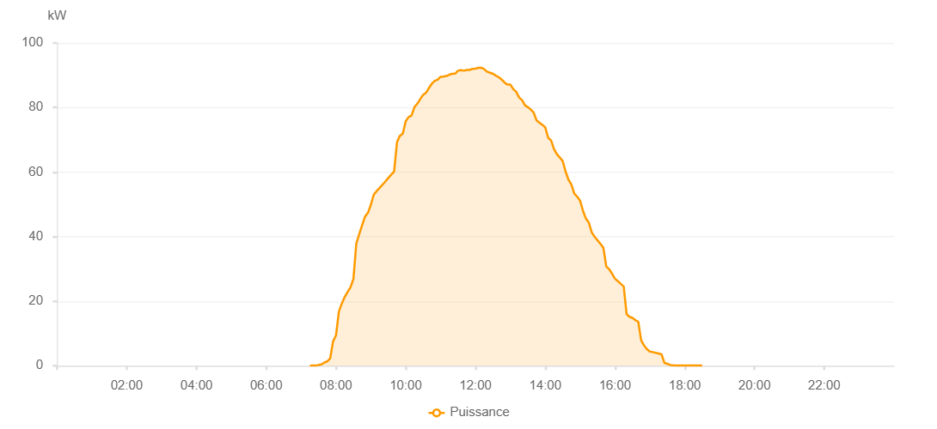

Number | Time | Working State | PV(W) | Instantaneous Radiation(W/㎡)
1 | 07:15:00 | Online | 20.00000 | 0
2 | 07:20:00 | Online | 40.00000 | 0
3 | 07:25:00 | Online | 40.00000 | 0
4 | 07:30:00 | Online | 240.00000 | 0
5 | 07:35:00 | Online | 390.00000 | 2.00000
6 | 07:40:00 | Online | 1000.00000 | 6.00000
7 | 07:45:00 | Online | 1330.00000 | 12.00000
8 | 07:50:00 | Online | 2250.00000 | 12.00000
9 | 07:55:00 | Online | 7550.00000 | 140.00000
10 | 08:00:00 | Online | 9370.00000 | 140.00000
11 | 08:05:00 | Online | 16780.00000 | 177.00000
12 | 08:10:00 | Online | 19230.00000 | 207.00000
13 | 08:15:00 | Online | 21320.00000 | 234.00000
14 | 08:20:00 | Online | 22850.00000 | 260.00000
15 | 08:25:00 | Online | 24270.00000 | 292.00000
16 | 08:30:00 | Online | 26900.00000 | 318.00000
17 | 08:35:00 | Online | 37920.00000 | 357.00000
18 | 08:40:00 | Online | 40740.00000 | 384.00000
19 | 08:45:00 | Online | 43570.00000 | 408.00000
20 | 08:50:00 | Online | 46220.00000 | 436.00000
21 | 08:55:00 | Online | 47350.00000 | 460.00000
22 | 09:00:00 | Online | 49830.00000 | 475.00000
23 | 09:05:00 | Online | 53000.00000 | 495.00000
24 | 09:10:00 | Online | 54100.00000 | 518.00000
25 | 09:15:00 | Online | 55070.00000 | 537.00000
26 | 09:20:00 | Online | 56080.00000 | 552.00000
27 | 09:25:00 | Online | 57070.00000 | 573.00000
28 | 09:30:00 | Online | 58180.00000 | 593.00000
29 | 09:35:00 | Online | 59170.00000 | 611.00000
30 | 09:40:00 | Online | 60140.00000 | 629.00000
31 | 09:45:00 | Online | 69260.00000 | 643.00000
32 | 09:50:00 | Online | 71260.00000 | 675.00000
33 | 09:55:00 | Online | 71920.00000 | 688.00000
34 | 10:00:00 | Online | 75740.00000 | 688.00000
35 | 10:05:00 | Online | 77050.00000 | 699.00000
36 | 10:10:00 | Online | 77510.00000 | 717.00000
37 | 10:15:00 | Online | 80110.00000 | 737.00000
38 | 10:20:00 | Online | 81180.00000 | 737.00000
39 | 10:25:00 | Online | 82620.00000 | 756.00000
40 | 10:30:00 | Online | 83940.00000 | 768.00000
41 | 10:35:00 | Online | 84570.00000 | 777.00000
42 | 10:40:00 | Online | 86050.00000 | 785.00000
43 | 10:45:00 | Online | 87390.00000 | 792.00000
44 | 10:50:00 | Online | 88260.00000 | 801.00000
45 | 10:55:00 | Online | 88610.00000 | 801.00000
46 | 11:00:00 | Online | 89510.00000 | 813.00000
47 | 11:05:00 | Online | 89580.00000 | 814.00000
48 | 11:10:00 | Online | 89760.00000 | 824.00000
49 | 11:15:00 | Online | 90150.00000 | 824.00000
50 | 11:20:00 | Online | 90430.00000 | 833.00000
51 | 11:25:00 | Online | 90470.00000 | 834.00000
52 | 11:30:00 | Online | 91390.00000 | 834.00000
53 | 11:35:00 | Online | 91560.00000 | 840.00000
54 | 11:40:00 | Online | 91400.00000 | 842.00000
55 | 11:45:00 | Online | 91640.00000 | 842.00000
56 | 11:50:00 | Online | 91620.00000 | 842.00000
57 | 11:55:00 | Online | 91980.00000 | 842.00000
58 | 12:00:00 | Online | 92010.00000 | 841.00000
59 | 12:05:00 | Online | 92290.00000 | 846.00000
60 | 12:10:00 | Online | 92320.00000 | 840.00000
61 | 12:15:00 | Online | 91850.00000 | 838.00000
62 | 12:20:00 | Online | 91050.00000 | 838.00000
63 | 12:25:00 | Online | 90770.00000 | 837.00000
64 | 12:30:00 | Online | 90440.00000 | 829.00000
65 | 12:35:00 | Online | 89880.00000 | 827.00000
66 | 12:40:00 | Online | 89360.00000 | 825.00000
67 | 12:45:00 | Online | 88660.00000 | 819.00000
68 | 12:50:00 | Online | 87720.00000 | 819.00000
69 | 12:55:00 | Online | 87080.00000 | 811.00000
70 | 13:00:00 | Online | 87090.00000 | 800.00000
71 | 13:05:00 | Online | 85660.00000 | 792.00000
72 | 13:10:00 | Online | 84870.00000 | 785.00000
73 | 13:15:00 | Online | 83100.00000 | 785.00000
74 | 13:20:00 | Online | 82300.00000 | 766.00000
75 | 13:25:00 | Online | 80690.00000 | 766.00000
76 | 13:30:00 | Online | 80110.00000 | 761.00000
77 | 13:35:00 | Online | 79370.00000 | 740.00000
78 | 13:40:00 | Online | 78430.00000 | 740.00000
79 | 13:45:00 | Online | 76030.00000 | 719.00000
80 | 13:50:00 | Online | 75300.00000 | 719.00000
81 | 13:55:00 | Online | 74630.00000 | 695.00000
82 | 14:00:00 | Online | 73860.00000 | 681.00000
83 | 14:05:00 | Online | 70630.00000 | 669.00000
84 | 14:10:00 | Online | 69810.00000 | 669.00000
85 | 14:15:00 | Online | 67160.00000 | 640.00000
86 | 14:20:00 | Online | 65540.00000 | 626.00000
87 | 14:25:00 | Online | 64500.00000 | 612.00000
88 | 14:30:00 | Online | 63420.00000 | 597.00000
89 | 14:35:00 | Online | 60130.00000 | 579.00000
90 | 14:40:00 | Online | 57610.00000 | 579.00000
91 | 14:45:00 | Online | 56090.00000 | 565.00000
92 | 14:50:00 | Online | 53320.00000 | 529.00000
93 | 14:55:00 | Online | 52360.00000 | 529.00000
94 | 15:00:00 | Online | 51110.00000 | 494.00000
95 | 15:05:00 | Online | 47920.00000 | 477.00000
96 | 15:10:00 | Online | 45560.00000 | 459.00000
97 | 15:15:00 | Online | 44300.00000 | 439.00000
98 | 15:20:00 | Online | 41310.00000 | 439.00000
99 | 15:25:00 | Online | 39940.00000 | 403.00000
100 | 15:30:00 | Online | 38840.00000 | 403.00000
101 | 15:35:00 | Online | 37750.00000 | 363.00000
102 | 15:40:00 | Online | 36520.00000 | 363.00000
103 | 15:45:00 | Online | 30750.00000 | 323.00000
104 | 15:50:00 | Online | 29890.00000 | 323.00000
105 | 15:55:00 | Online | 28500.00000 | 38.00000
106 | 16:00:00 | Online | 26950.00000 | 38.00000
107 | 16:05:00 | Online | 26170.00000 | 38.00000
108 | 16:10:00 | Online | 25350.00000 | 37.00000
109 | 16:15:00 | Online | 24540.00000 | 37.00000
110 | 16:20:00 | Online | 16000.00000 | 33.00000
111 | 16:25:00 | Online | 15150.00000 | 33.00000
112 | 16:30:00 | Online | 14810.00000 | 30.00000
113 | 16:35:00 | Online | 14140.00000 | 30.00000
114 | 16:40:00 | Online | 13620.00000 | 26.00000
115 | 16:45:00 | Online | 7880.00000 | 26.00000
116 | 16:50:00 | Online | 6260.00000 | 25.00000
117 | 16:55:00 | Online | 5110.00000 | 23.00000
118 | 17:00:00 | Online | 4380.00000 | 18.00000
119 | 17:05:00 | Online | 4220.00000 | 18.00000
120 | 17:10:00 | Online | 4010.00000 | 17.00000
121 | 17:15:00 | Online | 3790.00000 | 10.00000
122 | 17:20:00 | Online | 3530.00000 | 10.00000
123 | 17:25:00 | Online | 880.00000 | 9.00000
124 | 17:30:00 | Online | 610.00000 | 5.00000
125 | 17:35:00 | Online | 230.00000 | 4.00000
126 | 17:40:00 | Online | 130.00000 | 1.00000
127 | 17:45:00 | Online | 70.00000 | 0
128 | 17:50:00 | Online | 70.00000 | 0
129 | 17:55:00 | Online | 40.00000 | 0
130 | 18:00:00 | Online | 40.00000 | 0
131 | 18:05:00 | Online | 40.00000 | 0
132 | 18:10:00 | Online | 40.00000 | 0
133 | 18:15:00 | Online | 40.00000 | 0
134 | 18:20:00 | Online | 40.00000 | 0
135 | 18:25:00 | Online | 40.00000 | 0
136 | 18:30:00 | Online | 40.00000 | 0
137 | 18:55:00 | Online | 0.00001 | 0.00001

